Instructions (Start Here)
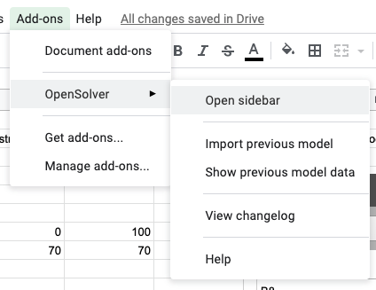
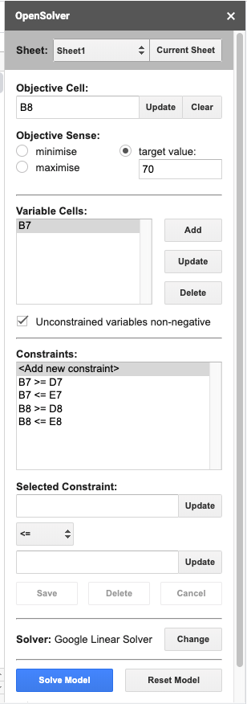
Instructions | https://opensolver.org/opensolver-for-google-sheets/
1. Install Open Solver Goolge Sheet Add-on |  | 3. Use OpenSolver Sidebar to Adjust Contstraints
2. Open OpenSolver Sidebar

